Order Form
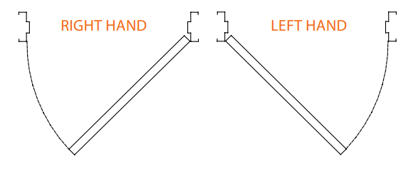
Surefab Door Frame Client Order Form |  |  |  |  |  | This is: |  |  | An Order
 |  |  |  |  | Would you like Hinges? |  |  |  | Yes
Client Name:
Please email completed form to carey@surefab.com.au as an excel document.
Project Name:
12 Silva Avenue
Queanbeyan NSW 2620
P: 02 6124 9250
E: carey@surefab.com.au
ABN: 67 619 966 442
Delivery Contact:
Delivery Address: (or Own Pick Up)

Frame Qty:
Door ID | Profile | Door Thickness | Throat | Fire rated | Handing | Gauge (Z/A) | Door Height (mm) | Door Width (mm) | Qty of hinges | Frame fixing | Striker details | Optional extras 1 | Optional extras 2 | Optional extras 3 | Notes (Optional)
D.1
D.2
D.3
D.4
D.5
D.6
D.7
D.8
D.9
D.10
D.11
D.12
D.13
D.14
D.15
D.16
D.17
D.18
D.19
D.20
D.21
D.22
D.23
D.24
D.25
D.26
D.27
D.28
D.29
D.30
D.31
D.32
D.33
D.34
D.35
D.36
D.37
D.38
D.39
D.40
D.41
D.42
D.43
D.44
D.45
D.46
D.47
D.48
D.49
D.50
D.51
D.52
D.53
D.54
D.55
D.56

Instructions
TIPS FOR USING THE SUREFAB DOOR FRAME ORDER FORM

1. Fill out the basic client details including your business name, the name of the project, a contact name and number so we can let you know when it is ready to go. In the delivery address, please let us know the address you would like it delivered to, or whether you would like to pick it up yourself. Please note, delivery charges will apply.
MAKE SURE YOU EMAIL YOUR COMPLETED ORDER FORM AS AN EXCEL DOCUMENT TO carey@surefab.com.au
2. Next, specify with the drop down whether you are placing an order or requesting a quote.

3. Indicate with the next drop down whether you would like Surefab to supply fixed pin stainless steel hinges to suit the frames on your order.

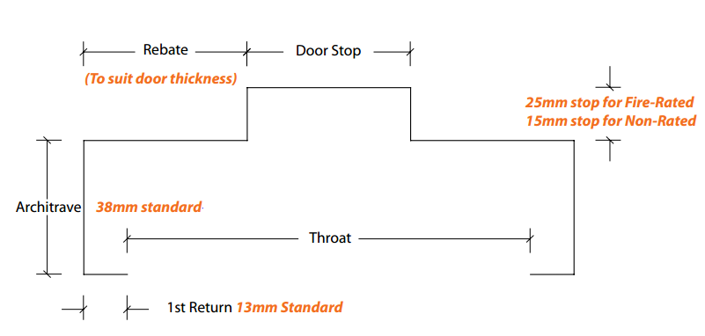
FILLING OUT THE FRAME DETAILS SECTION
 | FIGURE 1
1. Name your frames in the Door ID column and this will go on a label on the door frame.

2. Select the frame profile you are after from the drop down list (click the arrow on the right side of the selected cell). Refer to the Profile Drawings tab on the bottom left hand side of the screen for a visual aid.

3. Next is the frame rebate (Figure 1). This is the section that the door sits in. If you would prefer to provide the door thickness, click on the orange cell that says 'Rebate', then click the drop down option, Door thickness. Then go ahead and provide the relevant details. Generally we add 3mm to the finished thickness of the door for the frame rebate.

4. Throat size is a dimension in millimetres of the opening in the back of the frame (see Figure 1). Generally, this is the nominal wall thickness plus clearances, if you are after a frame that wraps around the wall application. For example, a 92mm stud wall with 2 layers of 13mm plasterboard totals a nominal wall thickness of 118mm, plus 4mm clearance for ease of installation, equals a throat size of 122mm. If you are retro-fitting the frame into an existing opening, you may want the overall back of frame to equal the wall thickness. For example, if you are installing into a 200mm precast concrete wall, you would subtract the two 13mm first returns to come up with the throat size of 174mm. It is a good idea to head to the Profile Drawings tab and do up a profile drawing showing exactly what you are after.

5. Next is whether the frame is to be fire rated or not, using the drop down option. As you can see with Figure 1, a 25mm stop will be provided (as per Australian Standards) if you specify fire rated, and a 15mm stop will be provided if your frame does not require fire rating. Keep in mind, some high security projects will require frames to have a 25mm stop, even if the frame does not need to be fire rated. If this is the case, select the fire rated option here, so we know you require a 25mm stop. | FIGURE 2

6. Now we need the handing of the frame. This tells us which way the door will swing. See Figure 2. Imagine pulling the door towards you, which side will the hinges be on? Left or Right hand side? If you are after a double door set, select double from the drop down list. If you are after a pivot frame (door swings on a pivot approximately 180 degrees), select pivot from the list. See further instructions in regard to pivot frames in the additional general tips section below.

7. Next is the gauge, which is the thickness of the steel we use to manufacture your frame. If you are after a non fire-rated frame, select 1.1mm Zinc Anneal (ZA). If you are after a fire rated frame, you should select 1.4mm ZA. If you are after a high security frame, you may require 1.9mm ZA. It is a good idea to check the material thickness specified before ordering. If you are after a custom material type or thickness, contact us as we may have access to custom materials. | FIGURE 3

8. Next is the size of your door frame in millimetres. There are three different kinds of dimension you can provide here, the door size, reveal size, or overall size. The most common is the door size that the frame is to suit, but for more information on the difference between these, see Figure 3 to the right, or check out the detailed explanation on our website:
http://surefab.net.au/2017/08/10/door-size-reveal-size-overall-size-difference/
To select the dimension you will provide, click on the orange cell 'Reveal height' and click the drop down arrow for the options. Do the same with the 'Reveal width'. If the dimension you are to provide varies throughout the order, note this beside each frame in the notes section on the order form.

9. Next is the amount of hinges to be used with the door. This tells us how many hinge backing plates to provide in the frame. If you would like us to supply the stainless steel hinges as well, please specifiy here:

10. Next is the frame fixing method you would like. See below image for our options. We also now offer the New Gen profile, see the Profile Drawings tab for details.

11. Now we have Striker (or latch) details. The usual is a standard (universal) strike plate at 1032mm high. Cutouts for special strikers such as an electric strike or DLLH (Electric strike and Microswitch Box) are also available. Please note, ES2000, ES200, ES9000, FES20 all have the same cutout in the frame. Contact the office for more details on security hardware preparation options.

12. Finally, Optional Extra's columns are for any additional hardware preps and custom requirements available. Click the drop down to see available options.

Please use the additional notes column if you would like to provide further detail on any of the frames.
ADDITIONAL GENERAL TIPS

PROFILE DRAWINGS (OPTIONAL)
Profile drawings can be used if desired to detail the exact frame dimensions and profile you are after. You will find the tab at the bottom left hand side of the screen. These have been preformatted with standard dimensions but can be changed if required. There are certain parameters we must stay between, and we will contact you if we are unable to manufacture any unusual frame profiles. Please note that changes to the standard dimensions such as architrave and 1st return sizes, will impact the price. It's a good idea to keep your frame as close to standard as possible to avoid additional uneccessary costs. Once you have detailed one of your frame profiles, select the profile by dragging your mouse over the area, and copy and paste to your order form. If you have multiple profiles on a job, you can label the profile with the door numbers that it relates to.
PIVOT FRAME REQUIREMENTS
There is a range of hardware that can be used to hang a pivot door set, and not all hardware will require preparation in the frame. For fire rated pivot doorsets, the most common concealed Transom closer is the Dorma RTS85. The box that is installed in the head of the frame is generally supplied with the closer itself, so we can weld this in for you. Alternatively we can source the box ourselves if required. If you are using an alternative method, please let us know. For the pivot frame profile, please supply door thickness, and we adjust the scallop to suit this.
THE IMPORTANCE OF WALL TYPES (Fire rated applications)
It is important that you check the wall types being used with the approved scenarios of your fire door supplier, as special frame profiles may be required to meet certification requirements. In short, the safest fire rated walls are masonry and standard steel stud and plasterboard walls. If you are using Hebel, speedpanel, AFS, Shaftliner or any other wall type, consult the door supplier before ordering your frames. For more details on the approved wall types for our fire core doorset range, head to www.surefab.net.au/resources and download 'Fire Rated Frames in Different wall applications'.
DOORS
To order doors, please use our door order form. Please contact heather@surefab.com.au for all door enquiries and orders.
TROUBLESHOOTING
Please contact carey@surefab.com.au if you have any questions.

